5-Y P&L Budget
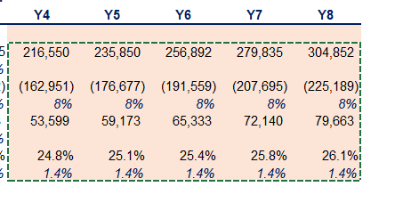
Stellar Growth Co
5-Y Budget

 | Actuals |  |  | Budget
in USD thousands | Y1 | Y2 | Y3 | Y4 | Y5 | Y6 | Y7 | Y8

Revenue | 1,704,560 | 1,848,210 | 2,003,950 | 2,093,653 | 2,225,017 | 2,365,061 | 2,514,396 | 2,673,680
Revenue growth % |  | 8% | 8%
COGS - Payroll | (403,948) | (448,831) | (518,187) | (526,367) | (562,246) | (600,874) | (642,486) | (687,335)
COGS - Other | (874,439) | (937,319) | (984,723) | (1,043,806) | (1,106,434) | (1,172,821) | (1,243,190) | (1,317,781)
COGS growth % |  | 8% | 8% | 4.5% | 6.3% | 6.3% | 6.3% | 6.3%
Gross Profit | 426,173 | 462,060 | 501,040 | 523,480 | 556,337 | 591,367 | 628,721 | 668,564
growth % |  | 8.42% | 8.44% | 4% | 6% | 6% | 6% | 6%
Gross profit margin | 25.00% | 25.00% | 25.00% | 25.0% | 25.0% | 25.0% | 25.0% | 25.0%
% change |  | 0.0% | 0.0% | 0.0% | 0.0% | 0.0% | 0.0% | 0.0%

Admin expenses - Payroll | (44,154) | (49,060) | (53,480) | (54,226) | (58,022) | (62,084) | (66,430) | (71,080)
% change |  | 11.11% | 9.01% | 1% | 7% | 7% | 7% | 7%
Selling expenses - Payroll | (143,901) | (159,890) | (176,140) | (341,468) | (361,925) | (372,694) | (384,291) | (396,786)
% change |  | 11.11% | 10.16% | 94% | 6% | 3% | 3% | 3%
Other operating expenses - Training & Development | (27,800) | (27,800) | (27,800) | (38,800) | (38,800) | (38,800) | (38,800) | (38,800)

Total operating expenses | (215,855) | (236,750) | (257,420) | (434,494) | (458,748) | (473,578) | (489,521) | (506,665)
 |  | 9.7% | 8.7% | 68.8% | 5.6% | 3.2% | 3.4% | 3.5%
Operating profit (EBIT) | 210,318 | 225,310 | 243,620 | 88,986 | 97,590 | 117,789 | 139,200 | 161,899

Interest expense | (31,250) | (29,250) | (27,250) | (25,250) | (23,250) | (21,250) | (19,250) | (17,250)
Profit before tax (EBT) | 179,068 | 196,060 | 216,370 | 63,736 | 74,340 | 96,539 | 119,950 | 144,649

Tax expense | (17,907) | (19,606) | (21,637) | (6,374) | (7,434) | (9,654) | (11,995) | (14,465)
Net Income | 161,161 | 176,454 | 194,733 | 57,362 | 66,906 | 86,885 | 107,955 | 130,184
% change |  | 9.49% | 10.36% | -70.5% | 16.6% | 29.9% | 24.3% | 20.6%

Payroll cost check! | - | - | - | - | - | - | - | -

